KKO
KAJIAN KELAYAKAN OPERASI

DAYA LAMA |  |  |  | DAYA BARU
Nama Pelanggan | : | IKA BINTA ADRIYANI |  | Nama Pelanggan | : | IKA BINTA ADRIYANI
Daya Lama (VA) | : | 900 |  | Daya Baru (VA) | : | 10600
Jumlah Fasa | : | 1 | * | Jumlah Fasa | : | 1
Tegangan Sekunder Pengukuran rata-rata (Fasa-Netral) (V) | : | 220 | * | Tegangan Sekunder Pengukuran rata-rata (Fasa-Netral) (V) | : | 220
Beban Pelanggan (A) | : | 4.10 |  | Beban Pelanggan (A) | : | 48.32

SUPLAI TRAFO EKSISTING |  |  |  | SUPLAI TRAFO RENCANA
Nomor Tiang | : | K2-621/362/5/A |  | Nomor Tiang | :
Penyulang | : | PWI10 |  | Penyulang | :
Daya | : | 100 | * | Daya | :
Jumlah Fasa | : | 3 | * | Jumlah Fasa | :
Beban TRAFO (Pengukuran Lapangan) |  | 99 |  | Beban TRAFO | : | 48.32
Beban Primer | : | 2.89 | * | Beban Primer | : | 0.00
Beban Sekunder | : | 151.93 | * | Beban Sekunder | : | 0.00
Beban (A) | : | 0.15 |  | Beban (A) | : | 0.00
Prosentase Pembebanan | : | 65% |  | Beban (A) | : | #DIV/0!
 | 0% | 100%
Prosentase Pembebanan | : | 100% |  | Beban (A) | : | 100%

DATA





DATA
Tahun | : | 2023
Discount Rate | : | 12%
Transfer price TM | : | 1,084 |  | Marginal COST maret 2022
Umur ekonomis (tahun) | : | 25.00
Selisih Susut Teknis | : | 2.25%
∑ Daya | : | 10
BP (Rp) | : | 9,399,300
RAB (Rp) | : | 27,295,075
Biaya O&M (2% invest) | : | 545,901.49

Nama Pelanggan | : | IKA BINTA ADRIYANI | *
Golongan Pelanggan | : | B2 | *
Jenis Layanan | : | REGULER | *
Daya Lama (kVA) | : | 1 | *
Daya Baru (kVA) | : | 10.60 | *
Tarif WBP (Rp/kWh) | : | 1,444.70 | *
Tarif LWBP (Rp/kWh) | : | 1,444.70 | *
BP (Rp/VA) TR | : | 969 | *
Jam Nyala | : | 40 | *

RAB
 |  | PT. PLN ( PERSERO )
 |  | UNIT INDUK DISTRIBUSI JAWA TENGAH & DI YOGYAKARTA |  |  |  |  |  |  |  |  |  |  | RAB TOTAL
 |  | UP3 DEMAK |  |  |  |  |  |  |  |  |  | RAB TOTAL | RAB NON MDU
 | RENCANA ANGGARAN BIAYA (RAB)

 |  |  |  | Pekerjaan | : | IKA BINTA ADRIYANI
 |  |  |  | Lokasi | : | DS HARJOWINANGUN
 |  |  |  | Pelaksana | : | PT. PLN (PERSERO) UP3 DEMAK
 |  |  |  | Anggaran | : | SAR 2023

Note !! 1. Saat Pengisian Uraian di mohon memasukan nama material sesuai dengan nama material di harga satuan
2. Mohon di cek kembali saat pengisian volume material
3. Untuk program Sarana Penunjang Fungsi tidak perlu SLO.
 | NO | URAIAN | GOL | SAT | VOL | HARGA SATUAN | BIAYA YANG DIPERLUKAN ( Rp )
 |  |  |  |  |  |  | MDU | HARDWARE | JASA | JUMLAH

 |  |  |  |  |  | 0 | 0 | 0 | 0 | 0
#REF! | I | PEMASANGAN TIANG |  |  |  | 0 | 0 | 0 | 0 | 0
 | 1 | Tiang Beton 9M-200 daN+E | HDW | Btg | 1 | 3,382,600 | 0 | 3,382,600 | 0 | 3,382,600
 | 2 | Tiang Beton 12M-200 daN+E | HDW | Btg | 1 | 5,800,000 | 0 | 5,800,000 | 0 | 5,800,000
 | 3 | Penomoran Tiang | JASA | Btg | 2 | 10,067 | 0 | 0 | 20,133 | 20,133
 | II | PEMASANGAN KONSTRUKSI |  |  |  | 0 | 0 | 0 | 0 | 0
 | + | CJ6-T |  | Unit | 4 | 0 | 0 | 0 | 0 | 0
 | 1 | Dead End Assembly | HDW | Bh | 4 | 78,500 | 0 | 314,000 | 0 | 314,000
 | 2 | Plastic Strap for Clamping | HDW | Bh | 4 | 4,212 | 0 | 16,848 | 0 | 16,848
 | 3 | Stainless Steel Strap 20 x 0.7 mm | HDW | Mtr | 4 | 23,310 | 0 | 93,240 | 0 | 93,240
 | 4 | Stopping Buckle / Yokes | HDW | Bh | 4 | 2,300 | 0 | 9,200 | 0 | 9,200
 | 5 | Upah Pasang Konst. JTR J6-T | JASA | Unit | 4 | 35,700 | 0 | 0 | 142,800 | 142,800
 |  |  |  |  |  | 0 | 0 | 0 | 0 | 0
 | + | CE1-2 |  | Unit | 1 | 0 | 0 | 0 | 0 | 0
 | 1 | Bolt Machine ⅝" x 10" | HDW | Bh | 1 | 26,500 | 0 | 26,500 | 0 | 26,500
 | 2 | Guy Attachment / Guy hok | HDW | Bh | 1 | 12,500 | 0 | 12,500 | 0 | 12,500
 | 3 | Guy Wire 35 mm² | HDW | Mtr | 12 | 24,300 | 0 | 291,600 | 0 | 291,600
 | 4 | Three Bolt Clamp | HDW | Bh | 2 | 40,000 | 0 | 80,000 | 0 | 80,000
 | 5 | Washer Square 2 ¼" | HDW | Bh | 1 | 2,500 | 0 | 2,500 | 0 | 2,500
 | 6 | Upah Pasang Acc.Jar E1-2 | JASA | Unit | 1 | 43,500 | 0 | 0 | 43,500 | 43,500
 |  |  |  |  |  | 0 | 0 | 0 | 0 | 0
 | + | F1-2 |  | Unit | 1 | 0 | 0 | 0 | 0 | 0
 | 1 | Rod Anchor ⅝" x 7' | HDW | Bh | 1 | 104,200 | 0 | 104,200 | 0 | 104,200
 | 2 | Expanding Anchor 8.000 lbs | HDW | Bh | 1 | 120,000 | 0 | 120,000 | 0 | 120,000
 | 4 | Kousen | HDW | Bh | 1 | 4,500 | 0 | 4,500 | 0 | 4,500
 | 3 | Upah Pasang Acc.Jar F1-2 | JASA | Unit | 1 | 55,500 | 0 | 0 | 55,500 | 55,500
 |  |  |  |  |  | 0 | 0 | 0 | 0 | 0
 | + | CM2-12 |  | Unit | 2 | 0 | 0 | 0 | 0 | 0
 | 1 | Bimetalic Connector 35 - 240 mm² | HDW | Bh | 2 | 47,459 | 0 | 94,918 | 0 | 94,918
 | 2 | Ground wire Cu 16 mm² | HDW | Mtr | 1.6 | 30,000 | 0 | 48,000 | 0 | 48,000
 | 3 | Ground rod & Washer | HDW | Bh | 2 | 9,500 | 0 | 19,000 | 0 | 19,000
 | 4 | Upah Pasang Acc.Jar M2-12 | JASA | Unit | 2 | 16,200 | 0 | 0 | 32,400 | 32,400
 |  |  |  |  |  | 0 | 0 | 0 | 0 | 0
 | + | CM2-12A |  | Unit | 1 | 0 | 0 | 0 | 0 | 0
 | 1 | Bimetalic Connector 35 - 240 mm² | HDW | Bh | 1 | 47,459 | 0 | 47,459 | 0 | 47,459
 | 2 | Ground wire Cu 16 mm² | HDW | Mtr | 1 | 30,000 | 0 | 30,000 | 0 | 30,000
 | 3 | Ground rod & Washer | HDW | Bh | 1 | 9,500 | 0 | 9,500 | 0 | 9,500
 | 4 | Upah Pasang Acc.Jar M2-12A | JASA | Unit | 1 | 21,200 | 0 | 0 | 21,200 | 21,200
 |  |  |  |  |  | 0 | 0 | 0 | 0 | 0 | #REF!
 | III | PEKERJAAN PEMASANGAN KONDUKTOR |  |  |  | 0 | 0 | 0 | 0 | 0
 | 1 | NFA2X-T 3x70+1x70 | MDU-KD | Mtr | 120 | 54,500 | 6,540,000 | 0 | 0 | 6,540,000
 | 2 | Upah Pasang Penghantar TR LVTC 3x70 + 1x50mm² | JASA | Per 50 m | 2.4 | 223,500 | 0 | 0 | 536,400 | 536,400 | #REF!
 | IV | PEMASANGAN APP |  |  |  | 0 | 0 | 0 | 0 | 0
 | + | Daya 10.600 VA |  | Unit | 1 | 0 | 0 | 0 | 0 | 0
 | 1 | KWH Elektronik; 3P; 4W; 220/380V; 5(80) A; kls 1 (Pengukuran Langsung) | MDU-KD | Bh | 1 | 1,427,400 | 1,427,400 | 0 | 0 | 1,427,400
 | 2 | Smart Box Langsung Daya 10.6 kVA MCCB 16 A | MDU-KD | Unit | 1 | 3,564,900 | 3,564,900 | 0 | 0 | 3,564,900
 | 3 | NFA2X 4 x 16 mm² | MDU-KD | Mtr | 45 | 13,500 | 607,500 | 0 | 0 | 607,500
 | 4 | Upah Pasang SR + APP 3 Fasa | JASA | Unit | 1 | 106,400 | 0 | 0 | 106,400 | 106,400
 |  |  |  |  |  | 0 | 0 | 0 | 0 | 0
 | + | CM2-11 |  | Unit | 1 | 0 | 0 | 0 | 0 | 0
 | 1 | Ground rod ⅝" x 8" Copper Weld | HDW | Bh | 1 | 185,200 | 0 | 185,200 | 0 | 185,200
 | 2 | Bimetalic Connector 35 - 240 mm² | HDW | Bh | 1 | 47,459 | 0 | 47,459 | 0 | 47,459
 | 3 | Ground wire Cu 16 mm² | HDW | Mtr | 1.5 | 30,000 | 0 | 45,000 | 0 | 45,000
 | 4 | Ground rod & Washer | HDW | Bh | 2 | 9,500 | 0 | 19,000 | 0 | 19,000
 | 5 | Upah Pasang Acc.Jar M2-11 | JASA | Unit | 1 | 56,400 | 0 | 0 | 56,400 | 56,400
 |  |  |  |  |  | 0 | 0 | 0 | 0 | 0 | #REF!
 | V | PEKERJAAN BONGKAR |  |  |  | 0 | 0 | 0 | 0 | 0
 | 1 | Upah Bongkar SR + APP 1 Fasa | JASA | Unit | 1 | 32,640 | 0 | 0 | 32,640 | 32,640
 |  |  |  |  |  | 0 | 0 | 0 | 0 | 0
 |  | SLO |  |  |  | 0 | 0 | 0 | 0 | 0
 | 1 | Sertifikasi Laik Operasi | JASA | Lot | 1 | 2.5% | 303,495 | 270,081 | 26,184 | 599,760
 |  |  |  |  |  |  | 0 | 0 | 0 | 0

 |  | Jumlah MDU - Hardware - Jasa |  |  |  | : | 12,443,295 | 11,073,305 | 1,073,558 | 24,590,157
 |  | PPN 11% |  |  |  | : | 1,368,762 | 1,218,064 | 118,091 | 2,704,917
 |  | Jumlah Total |  |  |  | : | 13,812,057 | 12,291,368 | 1,191,649 | 27,295,075
 | Terbilang : Dua Puluh Tujuh Juta Dua Ratus Sembilan Puluh Lima Ribu Tujuh Puluh Lima Rupiah

 | Harga yang dipakai adalah RAB HSS 2023

 |  |  |  |  |  |  |  | Demak, 16 Oktober 2023
 |  |  |  |  |  |  |  | ASMAN PERENCANAAN

 |  |  |  |  |  |  |  | VALENTHINA EKA SABTI WONOHUSODO

GAMBAR
 | PT. PLN (PERSERO) UP3 DEMAK

-7.033955, 110.728640 | Keterangan Gambar :
 | No | Nama Material |  |  | Baru |  | Eksisting
 | 1 | Tiang Beton
 | 2 | Tiang Besi
 | 3 | JTM 3 Fasa
 | 4 | JTM 1 Fasa
 | 5 | JTR 1 Fasa Only / UB
 | 6 | JTR 3 Fasa Only / UB
 | 7 | Trafo 1 Fasa
 | 8 | Trafo 3 Fasa
1 APP 10,6 KVA
1 CM2-11
SR 4X16MM = 45M
s
s
 | 9 | Fuse Cut Out
 | 10 | ABSW
 | 11 | Vang Net
 | 12 | Schoor
60M
 | 13
K2-621/362/3
1 CC1-A
1 CJ5-T
1 CJ5
1 CJ6-T
60M
1 CJ6-T
1 CM2-12
1 F1-2
1 CE1-2
1 CM2-12A
1 C9-200
s
s
1 C12-200
2 CJ6-T
1 CM2-12
 | Bongkar Pasang Konstruksi :
 | Pasang |  |  |  | Bongkar
 | LVTC 3X70+70 |  | MTR | 120

 | APP 10,6KVA |  | UNIT | 1
 | CJ6-T |  | UNIT | 4
 | C12-200 |  | BTG | 1
 | C9-200 |  | BTG | 1
 | CE1-2 |  | UNIT | 1
 | F1-2 |  | UNIT | 1
 | CM2-12 |  | UNIT | 2
 | CM2-12A |  | UNIT | 1
100 kVA
1 APP 66 KVA
 | CM2-11 |  | UNIT | 1

100 kVA

APP 82,5 KVA

 | Keterangan Tambahan : https://goo.gl/maps/BBmyPAdWKc4wmTC86

 | Golongan
 | No. Gambar |  | 1 |  |  | Lembar |  | dr
 | Gambar dari |  |  |  |  | Skala
 | Perihal:
 | PB IKA BINTA ADRIYANI 10,6KVA

 | Digambar |  | Spv. Rensis
 | Diperiksa |  | Man. Perencanaan
 | Diketahui |  | Man. Perencanaan
 | Disetujui |  | Manager

1 CG 313-A
1 C12-350E
1 CC7
3 CM2-11M
1 CM2-12
1 CM2-12A
1 F1-2
1 CE1-2

RUMAH SAKIT TRIMEDIKA
35
35
JL.PURWODADI-SUKOLILO-PATI

K2-541 B
1 C12-350E
1 CC1-A
1 CM2-12
1 CJ6-T
K2-541 A
1 C12-350E
1 CC8-AN
1 CM2-12
1 F1-2
1 CE1-2
K2-541
1 C12-350E
1 CC1
1 CC7
2 CM5-5

Peta lokasi
PETA LOKASI

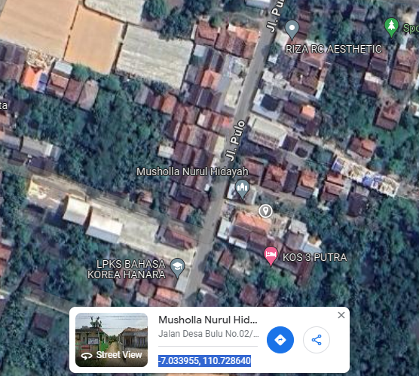

RS TRI MEDIKA KETAPANG

SLD
SINGLE LINE DIAGRAM LOKASI

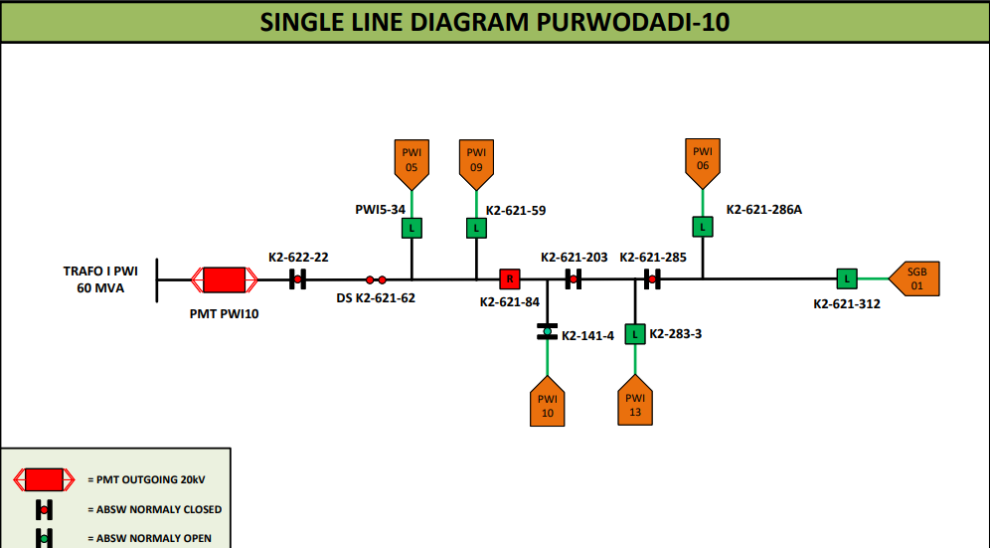

lokasi

